Invoice
 | CCA GROUP |  |  | PRICE QUOTATION
 | Assaily street, St. Sarkis Bldg, Sed El Bauchrieh, El maten, Lebanon | info@ccagrouplb.com |  | QP No. | 1001
 |  | www.ccagrouplb.com |  | QP Date | 2017-01-02
 |  | F: +961-1-879949; +961-3-879949

To: | CAR WASH & OIL SERVICE WORKSHOP

CODE | DESCRIPTION | PICTURE | QTY | UNIT PRICE | AMOUNT
LCH-CW201 | LAUNCHER ROLL-OVER CAR WASHING MACHINE Machine Size 2200*3500*3000(L*W*H) Washing Car Size 6000*2100*2000(L*W*H) Wash for Cars,mini-bus,,pick-up,SUV,MVP Washing speed 2-5 minutes/car Water consumption 100 liters/car Power consumption 0.5 kwh/car Power supply 380 V,50 Hz, 3 phases Brush one top brush/two side brushes Total power 18KW Shampoo consumption 7 ml/car | 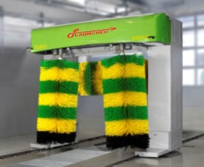 |  | $36,000.00 | $36,000.00

LATLT235SC | .2 POST LIFT4.5T 220V/50HZ/1PH 304031295 Capacity: 4.5T Lifting Height: 1950mm (76.8 inch) Lifting Time: 50 Sec Lowering Time: 40 Sec Power Supply: AC220V 1PH/50hz Motor Power: 2.2KW Drive Through Width: 2486mm(97.9inch) Overall width: 3420mm(134.6 inch) Overall height: 3840mm(151.2 inch) Bottom Clearance: 110mm 5 years warranty on metal structure with 1 year waranty on electrical & piston Instrallation: 4-5 hours MOTOR HAS TO BE INSTALLED 4 METERS AND ABOVE AWAY FROM THE LIFT(EXTRAS CHARGES) |  | 1 | $3,300.00 | $3,300.00

FAB 23380 | FOAM CLEANING MACHINE | 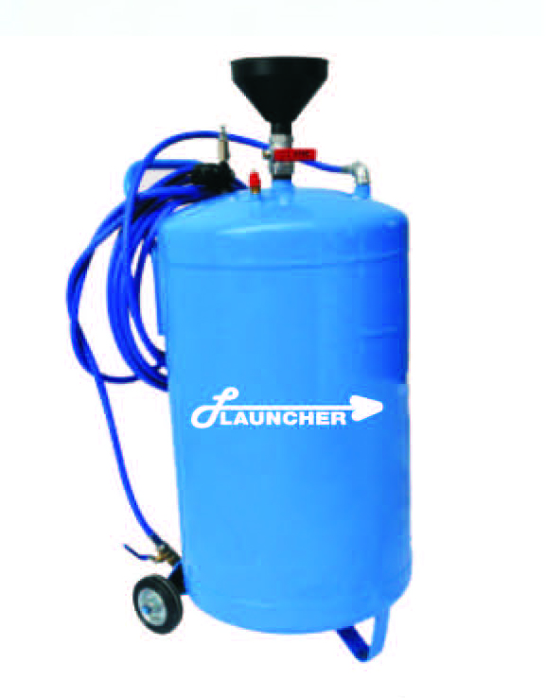 | 1 | $135.00 | $135.00

LCH-F001 | LAUNCHER 3197 AIR OPERATED OIL DRAINING One year Warranty Origin of goods: Made in China |  | 1 | $360.00 | $360.00

LCH-F002 | LAUNCHER BRAKE OIL CHANGER 24050 One year Warranty Origin of goods: Made in China |  | 1 | $275.00 | $275.00

LCH-F004 | HEAVY DUTY MOBILE OIL KIT 37100 |  | 1 | $1,200.00 | $1,200.00

LCH-F005 | HEAVY DUTY MOBILE GREASE KIT 64000

FAB3181 | AIR OPERATED OIL COLLECTING MACHINE Vacuum Degree 0 ~ - 0.8(bar) Air Pressure 8 ~ 10(bar) Oil Tank Capacity 72L Graduate Cup 10L Medium Lubrication Oil 4.5mm Collecting Speed 0.8L/min 6.5mm Collecting Speed 1.6L/min |  | 1 | $180.00 | $180.00

FAB33024 | PNEUMATIC OIL DISPENSERS | 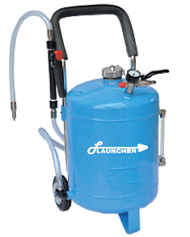 | 1 | $114.00 | $114.00

FAB68012 | MANUAL GREASE PUMP Vacuum Degree 0 ~ - 0.8(bar) Air Pressure 8 ~ 10(bar) Oil Tank Capacity 72L Graduate Cup 10L Medium Lubrication Oil 4.5mm Collecting Speed 0.8L/min 6.5mm Collecting Speed 1.6L/min |  | 1 | $180.00 | $180.00

FAB32024 | MANUAL OIL DISPENSERS Vacuum Degree 0 ~ - 0.8(bar) Air Pressure 8 ~ 10(bar) Oil Tank Capacity 72L Graduate Cup 10L Medium Lubrication Oil 4.5mm Collecting Speed 0.8L/min 6.5mm Collecting Speed 1.6L/min |  | 1 | $125.00 | $125.00

COM000149 | LAUNCHER AIR COMPRESSOR 500L BY HURRICAN Capacity 500L Horse power 5.5 Electric power 4kW Voltage 400V/50Hz Air flow 660L/min Air supplier pressure 11bar/150PSI N.W. 275kg Packing size 2030*680*1400mm | 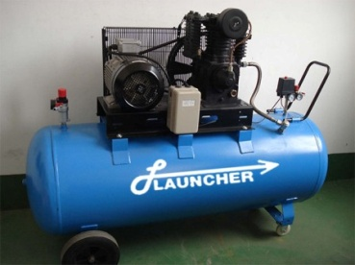 | 1 | $2,500.00 | $2,500.00

 | ملاحظة:هذا عرض أسعار و ليس بفاتورة رسمية
 | Thank you for your business! |  |  | TOTAL | $44,369.00

