Invoice
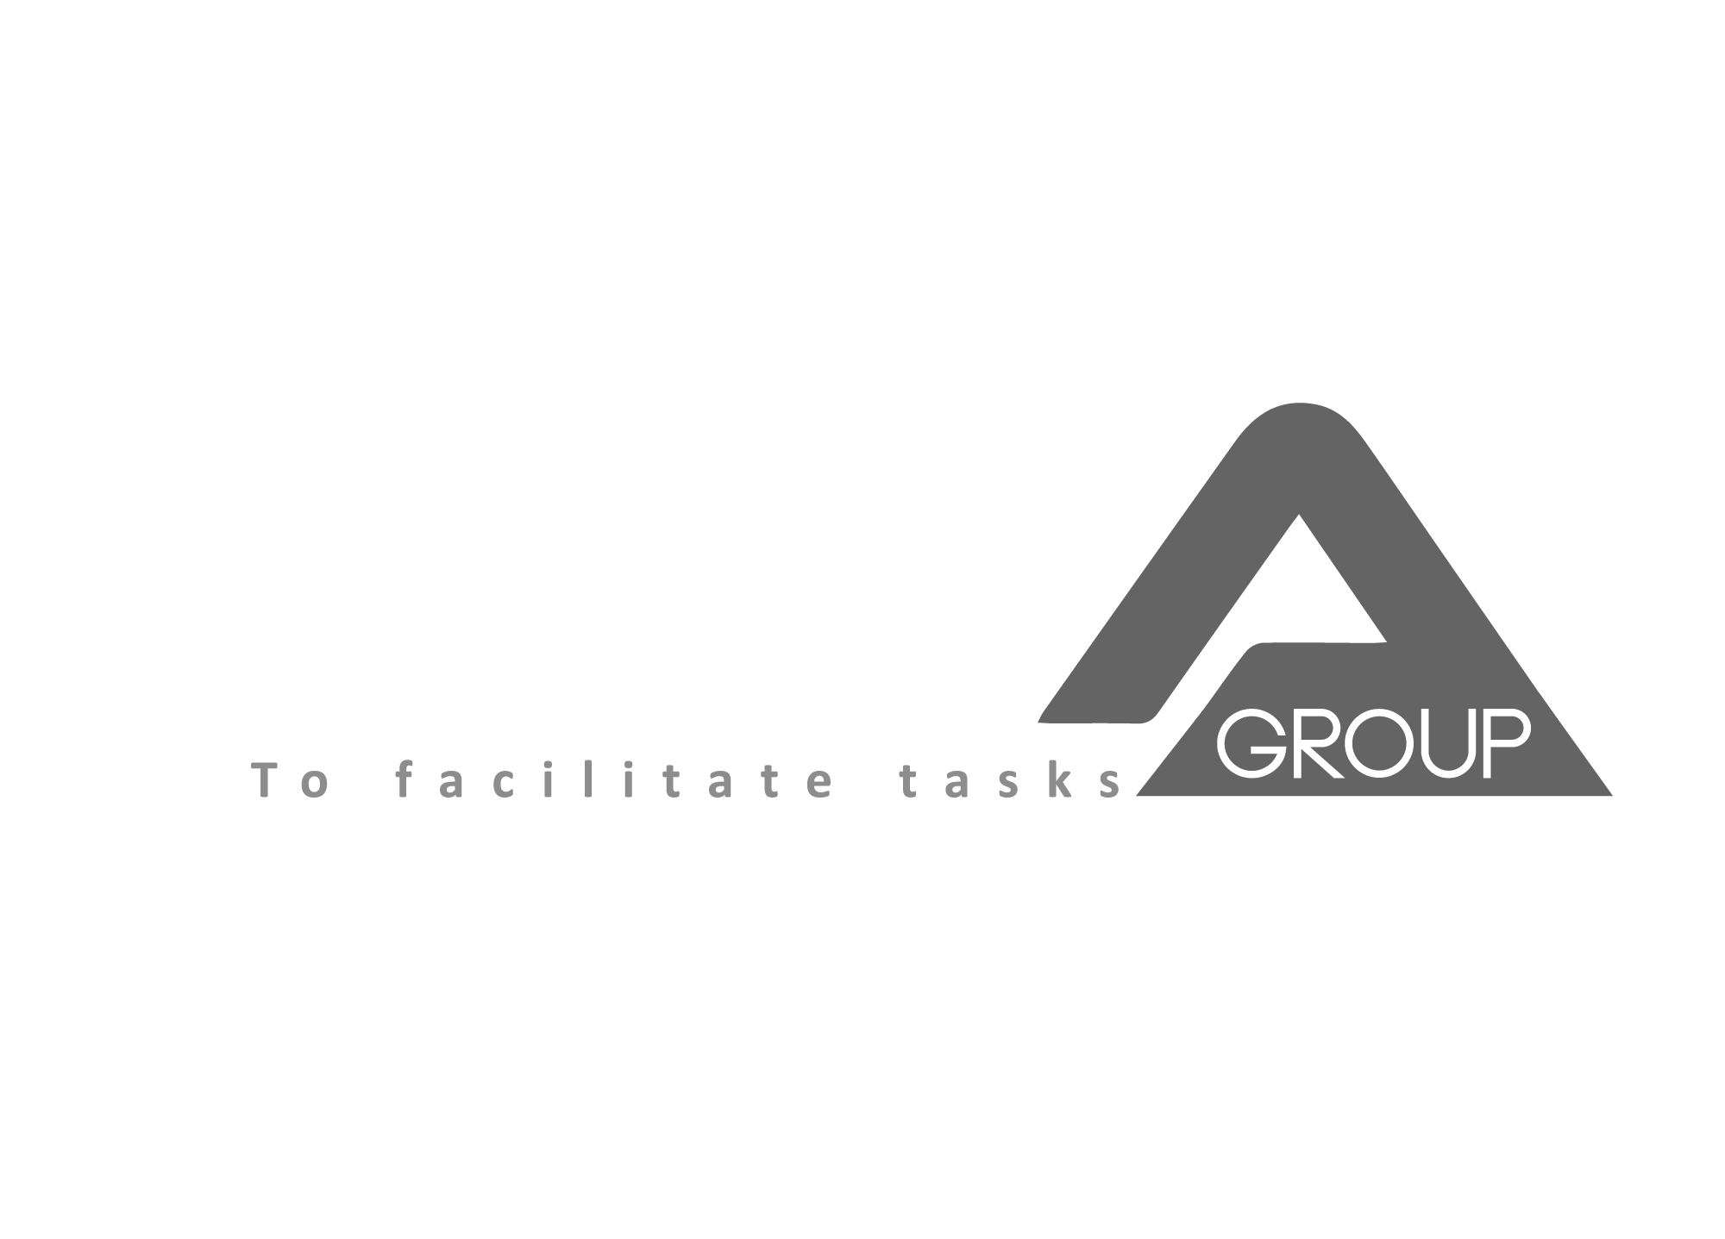 | CCA GROUP |  |  | PRICE QUOTATION
 | Assaily street, St. Sarkis Bldg, Sed El Bauchrieh, El maten, Lebanon | info@ccagrouplb.com |  | QP No. | 1001
 |  | www.ccagrouplb.com |  | QP Date | 2017-01-02
 |  | F: +961-1-879949; +961-3-879949

To: | PAINTING WORKSHOP
 |  |  |  |  | 2017-02-15

CODE | DESCRIPTION | PICTURE | QTY | UNIT PRICE | AMOUNT
SW0GLD40 | GLD-40 SMOKE WIZARD LEAK DETECTION-Monitor and Detect .010” Standard Like Chrysler Does Test Natural Vacuum EVAP Systems Easy to Read Flow Control Knob Position Vacuum and Pressure Decay Gauge Stores in Your Tool Box on its Back Like No Other Find Leaks Using Smoke and UV |  | 1 | $1,800.00 | $1,800.00

LCHGS-100 | CCH-101 PAINTBOOTH Launcher Overall Dimension (m):L7000×W(4000+1255)×H3505 (MM) Wall Panel:50MM Basement and Floor:4MM thickness diamond plate Personal door + Main door Intake Fan :1SET 7.5KW professional turbo fan, air capacity:23000m³/h, Air speed:0.2?0.3M/S EUROPEAN STYLE. Burner:RIELLO/G20, Max Heating Productivity: 200000KCAL/H Installation: 10 working days (electrical & ducting have to be prepared & working) Ceiling Filter + Floor Filter + Pre Filter Ceiling light:10UNITS×4PCS×28W=40PC S×28W, T5 LED tube, room illumination 1000LUX. Side light: 8UNITS×2PCS×28W=16PCS×28 W, T5 LED tube, installed horizontally. Stop Automatically :with timer to control heating time System stops automatically Main Power:9KW. One year Warranty |  | 1 | $18,000.00 | $18,000.00

LATBM-121 | SHORT WAVE INFRARED VEHICULE PAINT LIGH |  | 1 | $625.00 | $625.00

 | ملاحظة:هذا عرض أسعار و ليس بفاتورة رسمية
 | Thank you for your business! |  |  | TOTAL | $20,425.00

